EEM Program
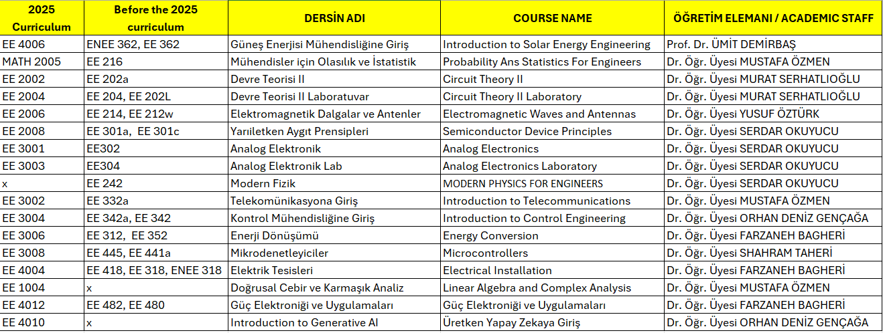
ELECTRİCAL AND ELECTRONİCS ENGINEERING 2025-2026 SPRING TIMETABLE
Hour/Day | Monday |  |  |  | Tuesday |  |  |  | Wednesday |  |  |  |  | Thursday |  |  |  | Friday |  |  |  |  | Day/Hour
 | 1st Year | 2nd Year | 3rd Year | 4th Year | 1st Year | 2nd Year | 3rd Year | 4th Year | 1st Year |  | 2nd Year | 3rd Year | 4th Year | 1st Year | 2nd Year | 3rd Year | 4th Year | 1st Year |  | 2nd Year | 3rd Year | 4th Year
9:00-10:00 | CS 1004-LAB A1-12 |  | EE 3001 A2-06/07 | EE 3008 LAB SEC1 A1-94 |  |  |  |  | ENEN1002 | PHYL 1002 |  | EE 3006 A2-06/07 |  |  |  | EE 3006 A2-06/07 |  | ENEN1002 | PHYL 1002 |  |  | EE 4006 A2-11/12 | 9:00-10:00
10:00-11:00 | CS 1004-LAB A1-12 |  | EE 3001 A2-06/07 | EE 3008 LAB SEC1 A1-94 |  | EE 2004 LAB SEC1 A1-09/10 | EE 3002 A2-09/10 |  | ENEN1002 | PHYL 1002 | EE 2004 LAB SEC3 A1-09/10 | EE 3008 A1 92-93 | EE 3008 A1 92-93 |  | MATH 2005 BG-03 | EE 3006 A2-06/07 |  | ENEN1002 | PHYL 1002 | EE 2006 A2-06/07 |  | EE 4006 A2-11/12 | 10:00-11:00
11:00-12:00 |  |  | EE 3002 A2-09/10 |  |  | EE 2004 LAB SEC1 A1-09/10 | EE 3002 A2-09/10 |  | ENEN1002 | PHYL 1002 | EE 2004 LAB SEC3 A1-09/10 | EE 3008 A1 92-93 | EE 3008 A1 92-93 |  | MATH 2005 BG-03 | EE 3001 A2-06/07 |  | ENEN1002 | PHYL 1002 | EE 2006 A2-06/07 |  | EE 4006 A2-11/12 | 11:00-12:00
12:00-13:00 |  |  | EE 3002 A2-09/10 |  |  | EE 2002 A2-09/10 |  |  | CS 1004 A1 92-93 |  | EE 2006 A2-06/07 |  | EE 4012 A1-06/07 | CS 1004 A1 90-91 |  | EE 3001 A2-06/07 |  | PHYS 1002 |  |  |  |  | 12:00-13:00
13:00-14:00 |  | EE 242 A2-06/07 |  |  |  | EE 2002 A2-09/10 |  |  | CS 1004 A1 92-93 |  |  | EE 3003 LAB A1-09/10 |  | PHYS 1002 | MATH 2005 BG-03 |  | EE 4004 A2-06/07 |  |  |  |  |  | 13:00-14:00
14:00-15:00 |  | EE 242 A2-06/07 |  |  |  | EE 2004 LAB SEC2 A1-09/10 | EE 3004 A2-06/07 |  |  |  |  | EE 3003 LAB A1-09/10 |  | PHYS 1002 | EE 242 A2-06/07 |  |  | MATH 1002 |  | Enec 2000 |  | EE 4004 A2-06/07 | 14:00-15:00
15:00-16:00 | EE 1004 A2-09/10 | EE 2008 A2-06/07 | EE 3008 LAB SEC 2 A1-12 |  | EE 1004 A2-09/10 | EE 2004 LAB SEC2 A1-09/10 | EE 3004 A2-06/07 |  |  |  | EE 2002 A2-09/10 | EE 3004 A2-06/07 |  | MATH 1002 | EE 2008 A2-06/07 |  | EE 4012 A1-06/07 | MATH 1002 |  | Enec 2000 |  | EE 4004 A2-06/07 | 15:00-16:00
16:00-17:00 | EE 1004 A2-09/10 | EE 2008 A2-06/07 | EE 3008 LAB SEC 2 A1-12 |  | EE 1004 A2-09/10 |  | EE 3008 A1 92-93 | EE 3008 A1 92-93 |  |  | EE 2002 A2-09/10 | EE 3004 A2-06/07 |  | MATH 1002 | EE 2008 A2-06/07 |  | EE 4012 A1-06/07 |  |  | Enec 2000 |  |  | 16:00-17:00
17:00-18:00 |  |  |  |  |  |  |  | EE 4010 A1-06/07 |  |  |  |  | EE 4010 A1-06/07 |  |  |  |  |  |  |  |  |  | 17:00-18:00
18:00-19:00 |  |  |  |  |  |  |  | EE 4010 A1-06/07 |  |  |  |  |  |  |  |  |  |  |  |  |  |  | 17:00-18:00

